Sheet1
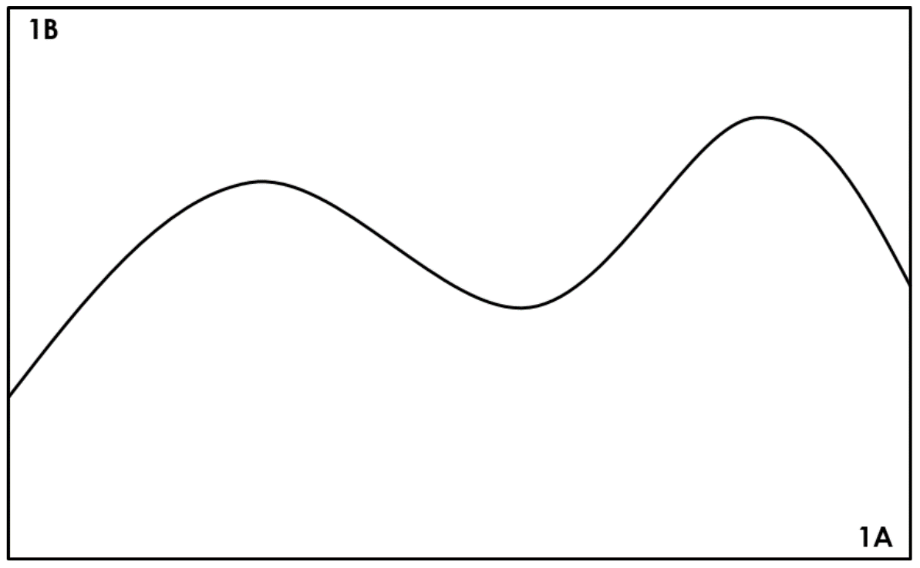
Esimating the area of a rectangle divided into two sections each with one curved side
Estimate of area of Part A | Estimate of area of Part B | Total estimated area | Actual area | % Error

